Hiearchy View
CLASS: MONITORING MODULE
used get activation inputs from other systems in case of emergency condition |  | 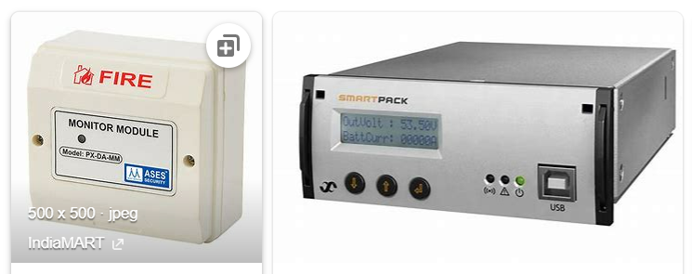
REMOVE | N

PROBLEM_DESC | CAUSE_DESC | REMEDY_DESC
ALARM/SENSOR
BROKEN/DAMAGED
LIGHTING
NOISE
OTHER PROBLEM
POWER-ELEC
STOPPED/SLOWED/POOR OPS
TEMP-CTRL
VIBRATION
Grand Total

